Formation Tops
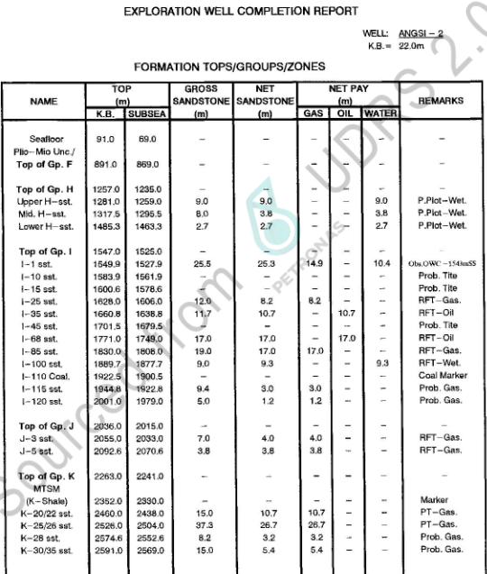

Formation Tops (Markers)
Formation Tops Name | Depth m MDDF | Depth MTVDSS
Top Group F | 891.0 | 869.0
Top Group H | 1257.0 | 1235.0
Upper H | 1281.0 | 1259.0
Mid H | 1317.5 | 1295.5
Lower H | 1485.3 | 1463.3
Top Group I | 1547.0 | 1525.0
,
I1 | 1549.9 | 1527.9
I10 | 1583.9 | 1561.9
I15 | 1600.6 | 1578.6
I25 | 1628.0 | 1606.0
I35 | 1660.8 | 1638.8
I45 | 1701.5 | 1679.5
I68 | 1771.0 | 1749.0
I85 | 1830.0 | 1808.0
I100 | 1889.7 | 1867.7
I110 | 1922.5 | 1900.5
I115 | 1944.8 | 1922.8
I120 | 2001.0 | 1979.0
Top Group J | 2036.0 | 2014.0
J3 | 2055.0 | 2033.0 | Page 5
J5 | 2092.6 | 2070.6
Top Group K | 2263.0 | 2241.0
K Shale | 2352.0 | 2330.0
K20 | 2460.0 | 2438.0
K25 | 2526.0 | 2504.0
K28 | 2574.6 | 2552.6
K30 | 2591.0 | 2569.0

Pressure Data
 |  |  | Pressure Data |  |  |  |  |  | name the pressure set sensibly, e.g. 'RFT', 'MDT_run1', split up as necessary etc | Temprature (oF)
m MDDF | m TVDDF | m TVDSS | Fm Pressure (psi) | Fm pressure (ppg) | Data Type | Quality | Mobility | Remark
1282.0 |  | 1260.0 | 1806.1 | 8.4 | MDT | Good | 33.9 |  | MDT Run #1 | 183
1285.5 |  | 1263.5 | 1810.2 | 8.4 | MDT | Good | 39 |  | MDT Run #1 | 183
1317.9 |  | 1295.9 | 1853.0 | 8.38 | MDT | Good | 221 |  | MDT Run #1 | 184
1320.0 |  | 1298.0 | 1855.7 | 8.38 | MDT | Good | 1754 |  | MDT Run #1 | 184
1323.5 |  | 1301.5 | 1860.4 | 8.38 | MDT | Good | 2590.7 |  | MDT Run #1 | 185
1352.5 |  | 1330.5 | 1902.8 | 8.38 | MDT | Good | 65.7 |  | MDT Run #1 | 185
1360.9 |  | 1338.9 |  |  | MDT | Invalid |  | Tight | MDT Run #1 | 186
1443.5 |  | 1421.5 | 2036.8 | 8.4 | MDT | Good | 17.6 |  | MDT Run #1 | 189
1553.0 |  | 1531.0 | 2206.7 | 8.45 | MDT | Good | 164.8 | Sampling | MDT Run #1 | 194
1558.8 |  | 1536.8 | 2207.8 | 8.42 | MDT | Good | 154.2 |  | MDT Run #1 | 197
1564.2 |  | 1542.2 | 2209.1 | 8.40 | MDT | Good | 26.4 |  | MDT Run #1 | 199
1567.5 |  | 1545.5 | 2212.3 | 8.39 | MDT | Good | 514 |  | MDT Run #1 | 199
1570.9 |  | 1548.9 | 2219.0 | 8.40 | MDT | Good | 14.2 |  | MDT Run #1 | 200
1575.0 |  | 1553.0 |  |  | MDT | Invalid |  | Tight | MDT Run #1 | 200
1574.9 |  | 1552.9 |  |  | MDT | Invalid |  | Tight | MDT Run #1 | 200
1574.8 |  | 1552.8 | 2222.5 | 8.39 | MDT | Good | 4945 |  | MDT Run #1 | 201
1584.1 |  | 1562.1 |  |  | MDT | Invalid |  | Tight | MDT Run #1 | 201
1584.5 |  | 1562.5 |  |  | MDT | Invalid |  | Tight | MDT Run #1 | 201
1584.6 |  | 1562.6 |  |  | MDT | Invalid |  | Tight | MDT Run #1 | 201
1587.5 |  | 1565.5 |  |  | MDT | Invalid |  | Tight | MDT Run #1 | 197
1587.2 |  | 1565.2 |  |  | MDT | Invalid |  | Tight | MDT Run #1 | 202 | Page 22-43
1589.2 |  | 1567.2 |  |  | MDT | Invalid |  | Tight | MDT Run #1 | 202
1588.5 |  | 1566.5 | 2250.3 | 8.42 | MDT | Poor | 1.7 | Supercharged | MDT Run #1 | 202
1603.0 |  | 1581.0 |  |  | MDT | Invalid |  | Tight | MDT Run #1 | 203
1603.9 |  | 1581.9 | 2205.6 | 8.17 | MDT | Good | 26.6 |  | MDT Run #1 | 204
1602.5 |  | 1580.5 |  |  | MDT | Invalid |  | Supercharged | MDT Run #1 | 204
1632.5 |  | 1610.5 |  |  | MDT | Invalid |  | Tight | MDT Run #1 | 209
1635.0 |  | 1613.0 | 2345.8 | 8.52 | MDT | Good | 3.7 |  | MDT Run #1 | 209
1636.5 |  | 1614.5 |  |  | MDT | Invalid |  | Tight | MDT Run #1 | 209
1662.5 |  | 1640.5 |  |  | MDT | Invalid |  | Tight | MDT Run #1 | 210
1668.1 |  | 1646.1 | 2349 | 8.36 | MDT | Good | 411 | Sampling | MDT Run #1 | 210
1671.0 |  | 1649.0 | 2351.8 | 8.36 | MDT | Good | 658 |  | MDT Run #1 | 202
1705.5 |  | 1683.5 | 2415.0 | 8.41 | MDT | Poor | 1.2 | Supercharged | MDT Run #1 | 202
1708.1 |  | 1686.1 |  |  | MDT | Invalid |  | Supercharged | MDT Run #1 | 214
1772.5 |  | 1750.5 |  |  | MDT | Invalid |  | Tight | MDT Run #1 | 219
1784.0 |  | 1762.0 |  |  | MDT | Invalid |  | Tight | MDT Run #1 | 220
1837.7 |  | 1815.7 |  |  | MDT | Invalid |  | Seal failure | MDT Run #1 | 223
1838.0 |  | 1816.0 | 2638.1 | 8.52 | MDT | Poor |  | Incomplete | MDT Run #1 | 224
1838.2 |  | 1816.2 |  |  | MDT | Invalid |  | Incomplete | MDT Run #1 | 224
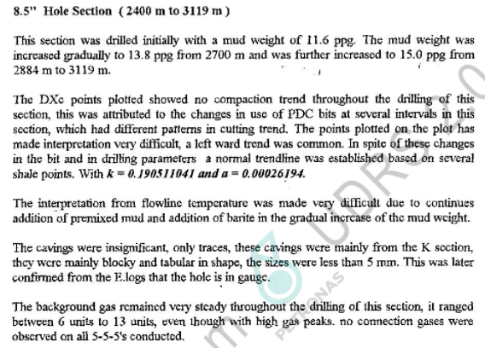
1839.2 |  | 1817.2 | 2621 | 8.45 | MDT | Good | 4.2 |  | MDT Run #1 | 224
1843.0 |  | 1821.0 | 2349 | 7.56 | MDT | Invalid |  | Seal failure | MDT Run #1 | 224
1844.0 |  | 1822.0 | 2351.8 | 7.57 | MDT | Invalid |  | Seal failure | MDT Run #1 | 224
1841.0 |  | 1819.0 | 2620.5 | 8.44 | MDT | Good | 26 | Sampling | MDT Run #1 | 224
1890.5 |  | 1868.5 |  |  | MDT | Invalid |  | Tight | MDT Run #2 | 229
1893.1 |  | 1871.1 |  |  | MDT | Invalid |  | Tight | MDT Run #2 | 229
1895.0 |  | 1873.0 | 2655.7 | 8.31 | MDT | Good | 30 | Sampling | MDT Run #2 | 230
1898.0 |  | 1876.0 | 2659 | 8.31 | MDT | Good | 373 |  | MDT Run #2 | 230
1896.1 |  | 1874.1 | 2656.5 | 8.31 | MDT | Good | 14.9 |  | MDT Run #2 | 228
1946.0 |  | 1924.0 | 2880 | 8.77 | MDT | Poor | 0.4 | Supercharged | MDT Run #2 | 232
1946.5 |  | 1924.5 |  |  | MDT | Invalid |  | Tight | MDT Run #2 | 232
1946.2 |  | 1924.2 | 2938 | 8.95 | MDT | Poor |  | Slow buildup | MDT Run #2 | 231
1953.5 |  | 1931.5 |  |  | MDT | Invalid |  | Tight | MDT Run #2 | 232
1953.3 |  | 1931.3 |  |  | MDT | Invalid |  | Tight | MDT Run #2 | 232
2004.1 |  | 1982.1 | 2907.4 | 8.6 | MDT | Good | 6.5 |  | MDT Run #2 | 233
2056.9 |  | 2034.9 | 2966.9 | 8.55 | MDT | Good |  |  | MDT Run #2 | 243
2058.0 |  | 2036.0 | 2967.3 | 8.54 | MDT | Good | 12 |  | MDT Run #2 | 243
2093.0 |  | 2071.0 | 2990.90 | 8.47 | MDT | Good | 20 |  | MDT Run #2 | 243
2094.0 |  | 2072.0 | 2991.6 | 8.46 | MDT | Good | 46 |  | MDT Run #2 | 244
2095.1 |  | 2073.1 | 2991.6 | 8.46 | MDT | Good | 36 |  | MDT Run #2 | 244
2155.5 |  | 2133.5 |  |  | MDT | Invalid |  | Seal failure | MDT Run #2 | 247
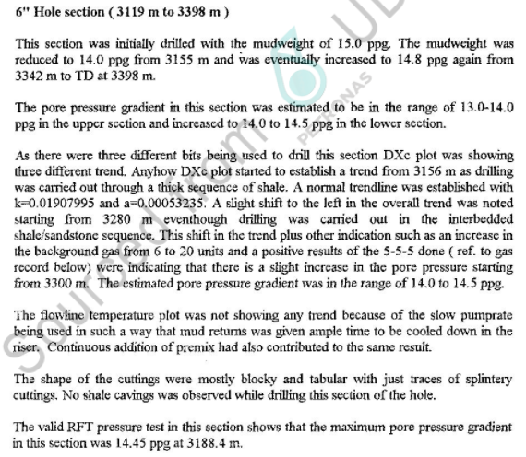
2155.6 |  | 2133.6 |  |  | MDT | Invalid |  | Incomplete | MDT Run #2 | 249
2156.0 |  | 2134.0 |  |  | MDT | Invalid |  | Incomplete | MDT Run #2 | 249
2155.3 |  | 2133.3 |  |  | MDT | Invalid |  | Incomplete | MDT Run #2 | 249
1854.2 |  | 1832.2 | 2624.0 | 8.39 | MDT | Poor |  | Incomplete | MDT Run #2 | 230
1846.0 |  | 1824.0 | 2622.2 | 8.43 | MDT | Good |  |  | MDT Run #2 | 228
1844.0 |  | 1822.0 | 2622.1 | 8.44 | MDT | Good | 21 |  | MDT Run #2 | 226
1559.0 |  | 1537.0 | 2207 | 8.42 | MDT | Good | 58 |  | MDT Run #2
1777.0 |  | 1755.0 |  |  | MDT | Invalid |  | Tight | MDT Run #2 | 223
1775.0 |  | 1753.0 |  |  | MDT | Invalid |  | Tight | MDT Run #2 | 223
1771.8 |  | 1749.8 |  |  | MDT | Invalid |  | Tight | MDT Run #2 | 223
1708.0 |  | 1686.0 |  |  | MDT | Invalid |  | Seal failure | MDT Run #2 | 221
1707.0 |  | 1685.0 |  |  | MDT | Invalid |  | Tight | MDT Run #2 | 221
1705.7 |  | 1683.7 |  |  | MDT | Invalid |  | Tight | MDT Run #2 | 220
1636.4 |  | 1614.4 |  |  | MDT | Invalid |  | Seal failure | MDT Run #2 | 217
1632.6 |  | 1610.6 |  |  | MDT | Invalid |  | Seal failure | MDT Run #2 | 217
1584.2 |  | 1562.2 |  |  | MDT | Invalid |  | Tight | MDT Run #3
1584.3 |  | 1562.3 |  |  | MDT | Invalid |  | Tight | MDT Run #3
1585.6 |  | 1563.6 |  |  | MDT | Invalid |  | Tight | MDT Run #3
1586.3 |  | 1564.3 |  |  | MDT | Invalid |  | Tight | MDT Run #3
1591.5 |  | 1569.5 |  |  | MDT | Invalid |  | Supercharged | MDT Run #3
1628.2 |  | 1606.2 |  |  | MDT | Invalid |  | Tight | MDT Run #3 | 212
1632.6 |  | 1610.6 |  |  | MDT | Invalid |  | Seal failure | MDT Run #3 | 219
1632.5 |  | 1610.5 |  |  | MDT | Invalid |  | Tight | MDT Run #3 | 222
1635.0 |  | 1613.0 |  |  | MDT | Invalid |  | Seal failure | MDT Run #3 | 222
1634.8 |  | 1612.8 |  |  | MDT | Invalid |  | Seal failure | MDT Run #3 | 223

1636.5 |  | 1614.5 |  |  | MDT | Invalid |  | Seal failure | MDT Run #3 | 223
1635.1 |  | 1613.1 | 2348.5 | 8.53 | MDT | Poor |  | Supercharged? | MDT Run #3 | 220 |  | Page 20-23
1634.9 |  | 1612.9 | 2345.7 | 8.52 | MDT | Fair |  | Sampling, OFA=gas, slow buildup | MDT Run #3 | 219
1764.3 |  | 1742.3 |  |  | MDT | Invalid |  | Tight | MDT Run #3 | 229
1764.0 |  | 1742.0 |  |  | MDT | Invalid |  | Tight | MDT Run #3 | 229
1772.4 |  | 1750.4 | 2538.5 | 8.5 | MDT | Good |  | Sampling, QFA=oil with minor gas | MDT Run #3 | 230
1782.9 |  | 1760.9 |  |  | MDT | Invalid |  | Tight | MDT Run #3 | 231
1782.8 |  | 1760.8 |  |  | MDT | Invalid |  | Tight | MDT Run #3 | 232
1782.7 |  | 1760.7 |  |  | MDT | Invalid |  | Seal failure | MDT Run #3 | 232
1802.0 |  | 1780.0 |  |  | MDT | Invalid |  | Pressure not holding | MDT Run #3
2448.5 |  | 2426.5 | 3830 | 9.25 | MDT | Good | 20.1 |  | MDT Run #4 | 256
2451.0 |  | 2429.0 |  |  | MDT | Invalid |  | Tight | MDT Run #4 | 256
2451.2 |  | 2429.2 |  |  | MDT | Invalid |  | Tight | MDT Run #4 | 256
2450.9 |  | 2428.9 |  |  | MDT | Invalid |  |  | MDT Run #4 | 256
2464.0 |  | 2442.0 | 3834.9 | 9.20 | MDT | Good | 2.6 |  | MDT Run #4 | 256
2470.5 |  | 2448.5 | 3843.6 | 9.20 | MDT | Poor | 3 | Supercharged | MDT Run #4 | 258
2472.9 |  | 2450.9 | 3836.8 | 9.18 | MDT | Good | 1.7 |  | MDT Run #4 | 259
2473.8 |  | 2451.8 | 3835.4 | 9.17 | MDT | Good | 37.2 | Sampling | MDT Run #4 | 259
2492.5 |  | 2470.5 |  |  | MDT | Invalid |  | Tight | MDT Run #4 | 263
2492.8 |  | 2470.8 |  |  | MDT | Invalid |  | Tight | MDT Run #4 | 263
2514.0 |  | 2492.0 | 4075 | 9.58 | MDT | Poor |  | Supercharged | MDT Run #4 | 265
2514.3 |  | 2492.3 |  |  | MDT | Invalid |  | Supercharged | MDT Run #4 | 266
2520.5 |  | 2498.5 |  |  | MDT | Invalid |  | Tight | MDT Run #4 | 266
2533.3 |  | 2511.3 |  |  | MDT | Invalid |  | Tight | MDT Run #4 | 267
2539.0 |  | 2517.0 | 4095 | 9.54 | MDT | Poor | 0.6 | Supercharged? | MDT Run #4 | 267
2542.0 |  | 2520.0 | 4031.9 | 9.38 | MDT | Fair | 3.8 | Valid? | MDT Run #4 | 269
2547.0 |  | 2525.0 |  |  | MDT | Invalid | 1.5 | Incomplete | MDT Run #4 | 270
2558.0 |  | 2536.0 | 4042.5 | 9.34 | MDT | Fair |  | Sampling | MDT Run #4 | 271
2582.0 |  | 2560.0 |  |  | MDT | Invalid |  | Tight | MDT Run #4 | 263
2582.4 |  | 2560.4 |  |  | MDT | Invalid |  | Tight | MDT Run #4 | 263
2591.8 |  | 2569.8 |  |  | MDT | Invalid |  | Tight | MDT Run #4 | 274
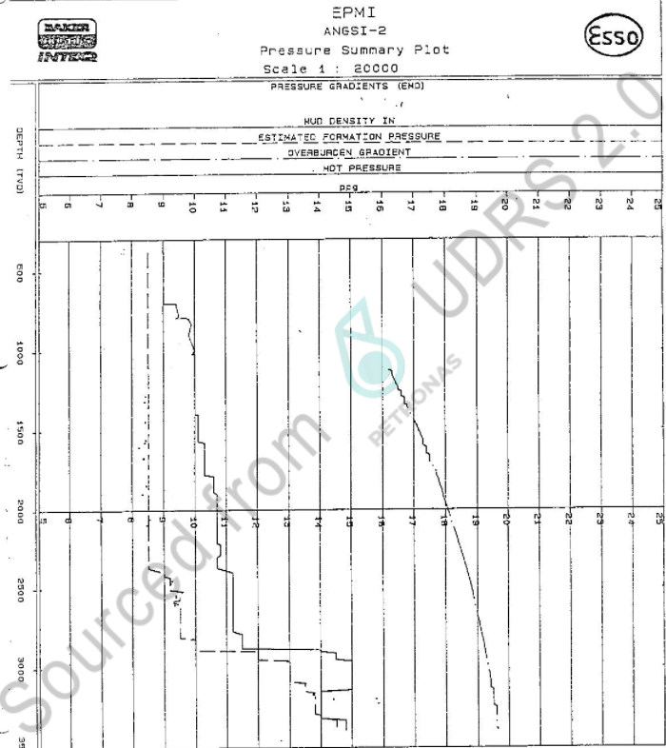
2603.7 |  | 2581.7 | 4106.9 | 9.32 | MDT | Good | 2.1 |  | MDT Run #4 | 275
2614.8 |  | 2592.8 |  |  | MDT | Invalid |  | Tight | MDT Run #4 | 276
2617.7 |  | 2595.7 |  |  | MDT | Invalid |  | Tight | MDT Run #4 | 277
2622.0 |  | 2600.0 |  |  | MDT | Invalid |  | Tight | MDT Run #4 | 277
2579.5 |  | 2557.5 |  |  | MDT | Invalid |  | Tight | MDT Run #4 | 274
2569.0 |  | 2547.0 |  |  | MDT | Invalid |  | Tight | MDT Run #4 | 275
2565.6 |  | 2543.6 |  |  | MDT | Invalid |  | Tight | MDT Run #4 | 272
2553.5 |  | 2531.5 | 4050.5 | 9.38 | MDT | Fair |  | Valid? | MDT Run #4 | 273
2549.5 |  | 2527.5 |  |  | MDT | Invalid |  | Valid? | MDT Run #4 | 270
2540.0 |  | 2518.0 |  |  | MDT | Invalid | 1.7 | Incomplete | MDT Run #4 | 270
2470.5 |  | 2448.5 | 3846.5 | 9.21 | MDT | Poor |  | Supercharged | MDT Run #5 | 271
2469.4 |  | 2447.4 | 3835.3 | 9.19 | MDT | Good | 15 |  | MDT Run #5 | 270
2547.0 |  | 2525.0 |  |  | MDT | Invalid |  | Incomplete | MDT Run #5 | 278
2548.0 |  | 2526.0 |  |  | MDT | Invalid |  | Seal failure | MDT Run #5 | 279
2558.0 |  | 2536.0 |  |  | MDT | Invalid |  | Seal failure | MDT Run #5 | 280
2558.0 |  | 2536.0 | 4135 | 9.56 | MDT | Poor |  | Supercharged | MDT Run #6 | 283
2555.5 |  | 2533.5 | 4143.4 | 9.59 | MDT | Poor |  | Supercharged | MDT Run #6 | 283
2550.8 |  | 2528.8 | 4050 | 9.39 | MDT | Good | 11 | Sampling | MDT Run #6 | 282
2553.4 |  | 2531.4 | 4049 | 9.38 | MDT | Fair | 11 |  | MDT Run #6 | 283
2547.0 |  | 2525.0 |  |  | MDT | Invalid |  | Supercharged | MDT Run #6
2547.8 |  | 2525.8 | 4095 | 9.50 | MDT | Poor |  | Supercharged | MDT Run #6 | 283
2542.2 |  | 2520.2 |  |  | MDT | Invalid |  | Supercharged | MDT Run #6 | 283
2537.8 |  | 2515.8 |  |  | MDT | Invalid |  | Tight | MDT Run #6 | 284
2539.2 |  | 2517.2 | 1058 | 9.45 | MDT | Poor |  | Supercharged | MDT Run #6 | 284
2543.6 |  | 2521.6 |  |  | MDT | Invalid |  | Seal failure | MDT Run #6
2580.5 |  | 2558.5 |  |  | MDT | Invalid |  | Seal failure | MDT Run #6 | 288
2997.6 |  | 2975.6 |  |  | MDT | Invalid |  | Tight | MDT Run #7 | 306
2996.8 |  | 2974.8 | 6747.3 | 13.29 | MDT | Poor |  | Slow buildup, pressure still building | MDT Run #7 | 306
2931.2 |  | 2909.2 |  |  | MDT | Invalid |  | Seal failure | MDT Run #7 | 302
2916.8 |  | 2894.8 |  |  | MDT | Invalid |  | Seal failure | MDT Run #7 | 302
3080.0 |  | 3058.0 |  |  | MDT | Invalid |  | Tight | MDT Run #8 | 295
3079.5 |  | 3057.5 |  |  | MDT | Invalid |  | Incomplete | MDT Run #8
3080.0 |  | 3058.0 |  |  | MDT | Invalid |  | Incomplete | MDT Run #9 | 311
3057.0 |  | 3035.0 |  |  | MDT | Invalid |  | Incomplete | MDT Run #9
3168.8 |  | 3146.8 |  |  | MDT | Invalid |  | Tight | MDT Run #10 | 312
3188.4 |  | 3166.4 |  |  | MDT | Invalid |  | Seal failure | MDT Run #10 | 313
3188.6 |  | 3166.6 | 7858 | 14.55 | MDT | Fair | 1.1 | Sampling | MDT Run #10 | 314
3298.5 |  | 3276.5 |  |  | MDT | Invalid |  | Tight | MDT Run #10 | 326
3340.1 |  | 3318.1 |  |  | MDT | Invalid |  | Tight | MDT Run #10 | 331
3339.3 |  | 3317.3 |  |  | MDT | Invalid |  | Tight | MDT Run #10 | 331
3337.2 |  | 3315.2 |  |  | MDT | Invalid |  | Tight | MDT Run #10 | 332
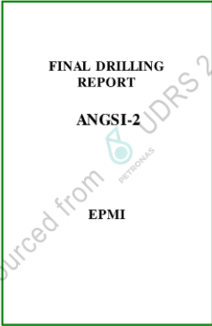
3334.8 |  | 3312.8 |  |  | MDT | Invalid |  | Seal failure | MDT Run #10 | 332 |  | Page 13
3336.0 |  | 3314.0 |  |  | MDT | Invalid |  | Tight | MDT Run #10 | 332
3342.5 |  | 3320.5 |  |  | MDT | Invalid |  | Seal failure | MDT Run #10 | 334
3342.2 |  | 3320.2 |  |  | MDT | Invalid |  | Tight | MDT Run #10 | 334
3344.6 |  | 3322.6 |  |  | MDT | Invalid |  | Seal failure | MDT Run #10 | 334
3314.7 |  | 3292.7 |  |  | MDT | Invalid |  | Seal failure | MDT Run #10 | 332
3302.7 |  | 3280.7 |  |  | MDT | Invalid |  | Tight | MDT Run #11 | 332
3301.4 |  | 3279.4 |  |  | MDT | Invalid |  | Seal failure | MDT Run #11 | 333
3298.5 |  | 3276.5 |  |  | MDT | Invalid |  | Incomplete | MDT Run #11 | 334
3296.9 |  | 3274.9 |  |  | MDT | Invalid |  | Tight | MDT Run #12
3298.5 |  | 3276.5 |  |  | MDT | Invalid |  | Seal failure | MDT Run #12
3301.4 |  | 3279.4 |  |  | MDT | Invalid |  | Seal failure | MDT Run #12 | 325
3302.8 |  | 3280.8 |  |  | MDT | Invalid |  | Seal failure | MDT Run #12 | 328
3301.5 |  | 3279.5 |  |  | MDT | Invalid |  | Seal failure | MDT Run #12
3168.8 |  | 3146.8 |  |  | MDT | Invalid |  | Seal failure | MDT Run #12 | 320
3169.3 |  | 3147.3 | 7385 | 13.75 | MDT | Fair | 0.7 | Sampling | MDT Run #12 | 320

Casing
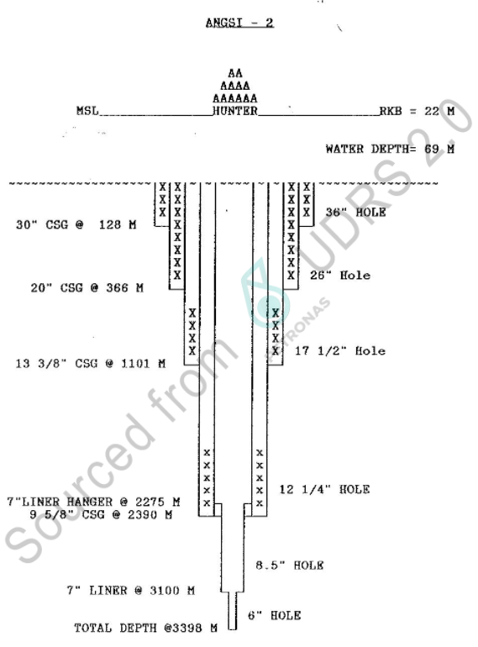
Casing
Casing Shoe Depth (m MD) | Casing Shoe Depth (m TVDDF) | size of casing - inches e.g 13 3/8, 9 5/8
128 |  | 30
366 |  | 20
1101 |  | 13-3/8
2390 |  | 9-5/8
3100 |  | 7

 |  |  | Page 61

Mudweight
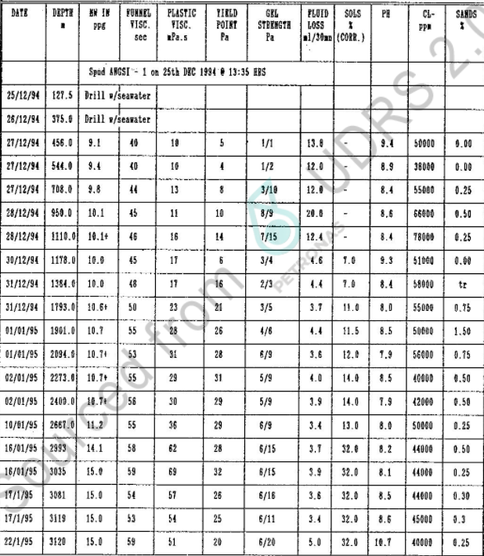
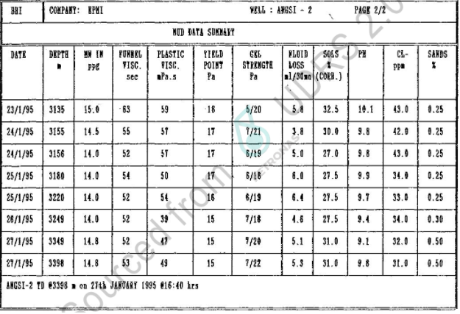
Mud Weight
Depth MD (m) | Mudweight (ppg)
456 | 9.10
544 | 9.40
708 | 9.80
950 | 10.10
1110 | 10.10
1178 | 10.00
1384 | 10.00
1793 | 10.60
1901 | 10.70
2094 | 10.70
2273 | 10.70
2400 | 10.70
2667 | 11.20
2993 | 14.10
3035 | 15.00
3081 | 15.00
3119 | 15.00 | Page 48-49
3120 | 15.00
3135 | 15.00
3155 | 14.50
3156 | 14.00
3180 | 14.00
3220 | 14.00
3249 | 14.00
3349 | 14.80
3398 | 14.80

LOT & FIT
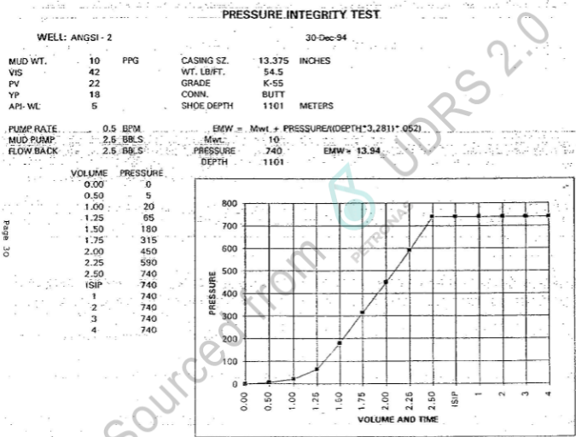
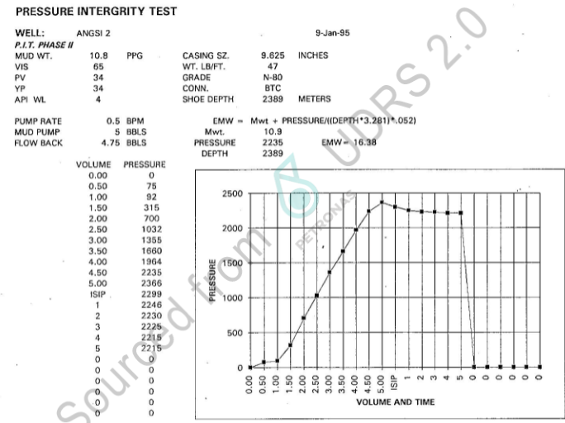
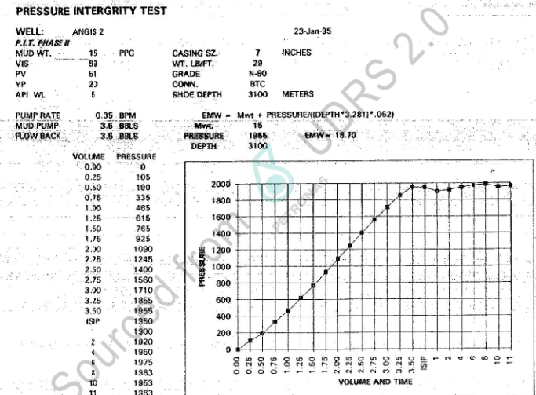
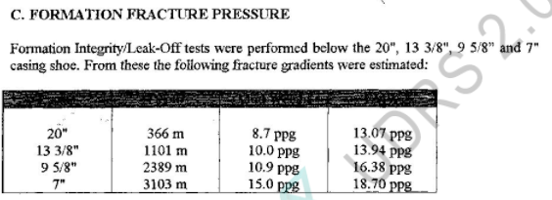
Leak-Off Test and Formation Integrity Test Data |  |  |  |  |  |  | Pressure set name = LOT, LT, or LOT + LT
m MDDF | m TVDDF | EMW (ppg) | Pressure (psi) | Data Type | Quality | Remark
3103 | 3103 | 18.7 | 1955 |  |  | Pressure integrity test at 7" casing shoe
2389 | 2389 | 16.38 | 2235 |  |  | Pressure integrity test at 9-5/8" casing shoe
1101 | 1101 | 13.94 | 740 |  |  | Pressure integrity test at 13-3/8" casing shoe
366 | 366 | 13.07 | 254 |  |  | Pressure integrity test at 20" casing shoe

 |  |  |  |  |  |  |  |  | Page 25

EMW Conversion if required:
PPG | SG
input | #VALUE!
#VALUE! | input

NB - actual LOT/LT depth should be the casing shoe depth

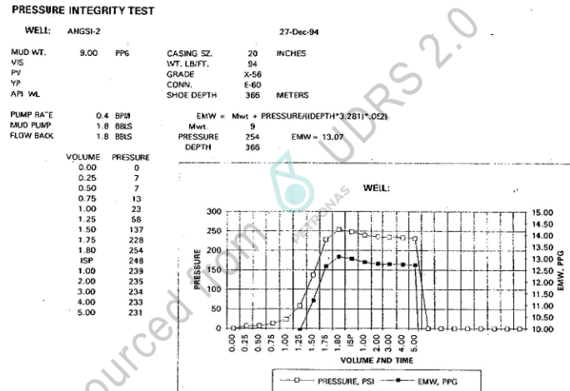

 |  |  |  |  |  |  |  | Page 68-71

Deviation
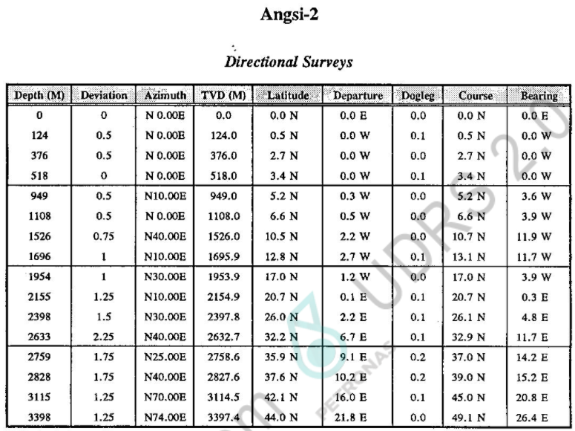
Deviation Data |  |  | OR | Deviation Data
MD (ft) | Inclination (°) | Azimuth |  | MD (ft) | TVD (ft) | X | Y

 | Vertical well (MD=TVD)

 | Dev ASCII available |  |  |  |  |  |  | Page 86

Lithology
Lithological Information
Depth m (MD) | Lithology description | RokDoc Code
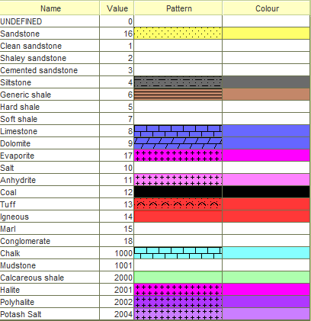

,

Checkshot_time-depth
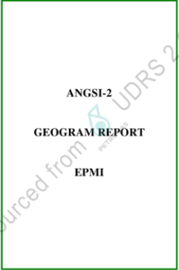
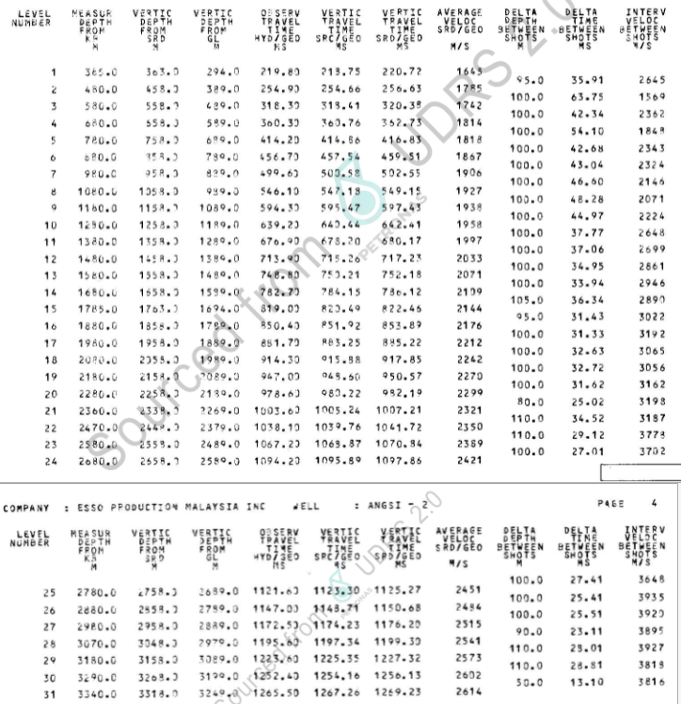
Checkshot Information
MD (m) | TVDSS (m) | TWT (ms) | OWT (ms) | msec or secs?
385 | 363 | 441.44 | 220.72
480 | 458 | 513.26 | 256.63
580 | 558 | 640.76 | 320.38
680 | 658 | 725.46 | 362.73
780 | 758 | 833.66 | 416.83
880 | 858 | 919.02 | 459.51
980 | 958 | 1005.10 | 502.55
1080 | 1058 | 1098.30 | 549.15
1180 | 1158 | 1194.86 | 597.43
1280 | 1258 | 1284.82 | 642.41
1380 | 1358 | 1360.34 | 680.17
1480 | 1458 | 1434.46 | 717.23
1580 | 1558 | 1504.36 | 752.18
1680 | 1658 | 1572.24 | 786.12
1785 | 1763 | 1644.92 | 822.46
1880 | 1858 | 1707.78 | 853.89
1980 | 1958 | 1770.44 | 885.22
2080 | 2058 | 1835.70 | 917.85
2180 | 2158 | 1901.14 | 950.57
2280 | 2258 | 1964.38 | 982.19
2380 | 2358 | 2014.42 | 1007.21
2470 | 2448 | 2083.44 | 1041.72
2580 | 2558 | 2141.68 | 1070.84
2680 | 2658 | 2195.72 | 1097.86
2780 | 2758 | 2250.54 | 1125.27
2880 | 2858 | 2301.36 | 1150.68
2980 | 2958 | 2352.40 | 1176.20
3070 | 3048 | 2398.60 | 1199.3
3180 | 3158 | 2454.64 | 1227.32
3290 | 3268 | 2512.26 | 1256.13
3340 | 3318 | 2538.46 | 1269.23

